Solve for angles
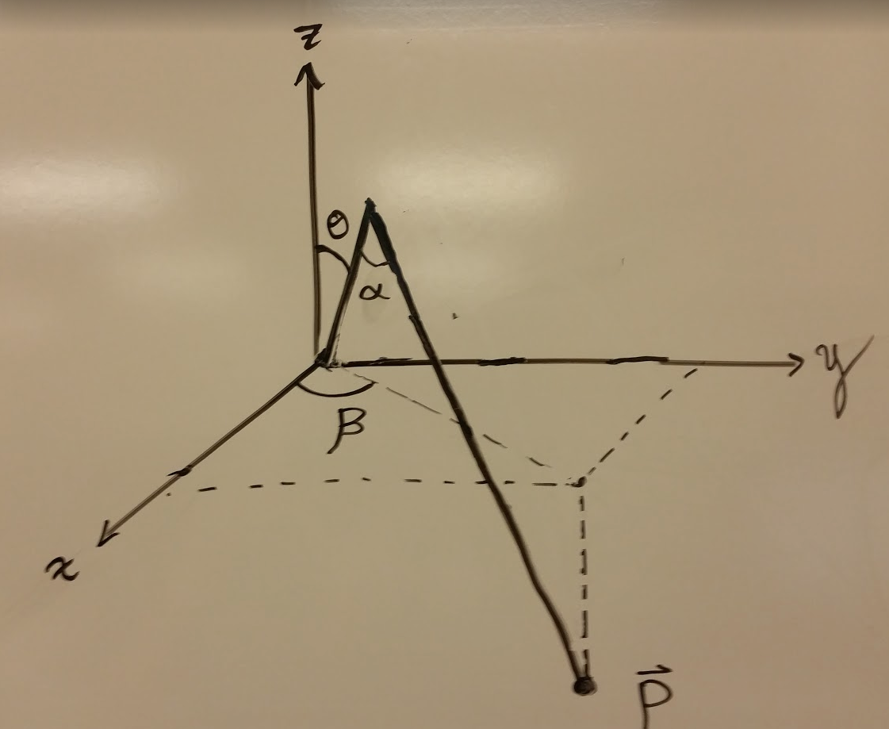
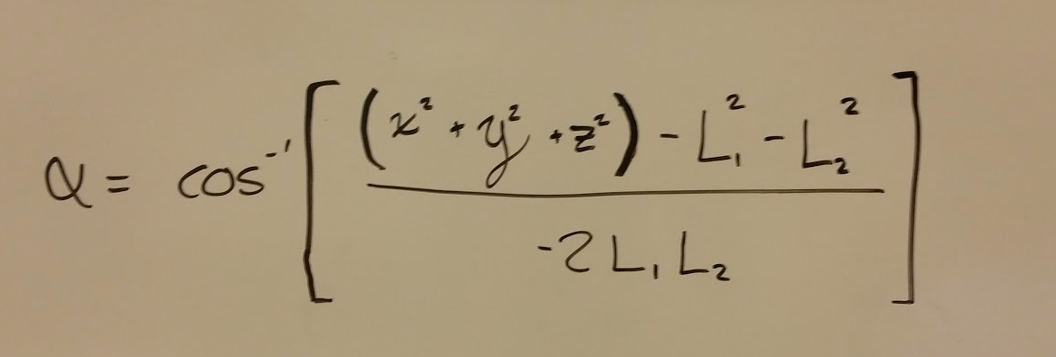
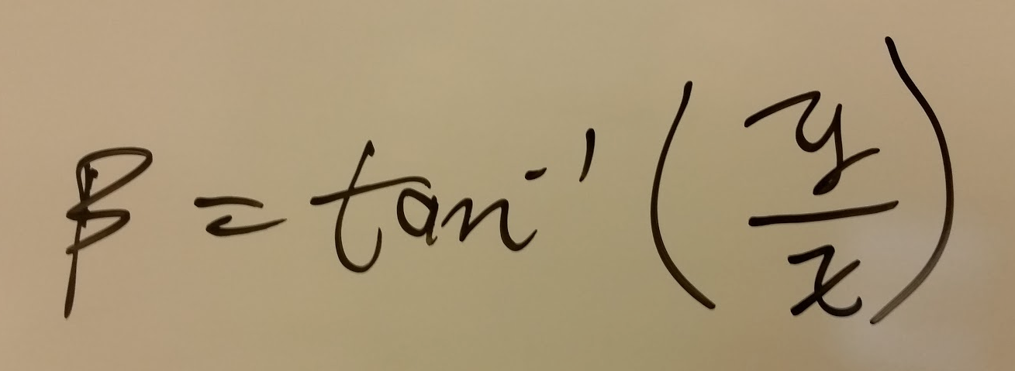
All English Units (inches) |  | In Radians | In Degrees
Equation Constants | Alpha | 2.786 | 159.636
-12 | Theta | 0.022 | 1.257
-16 | Beta | 0.785 | 45.000
1.5707963268

